Photo
ID PHOTO

Your face should be in a straight forward position
(Unit:mm)
 | 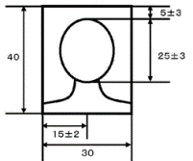 - attach designated sized photo - only color photo is accepted - your face should be in a straight forward position - photo should be taken within 3 months

 |  | Family name (in capital letters): | Given name:

