Photo
ID PHOTO |  |  |  | ATTACHMENT: IV-1

Your face should be in a straight forward position
(Unit:mm)
 | 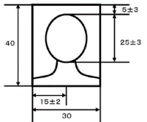 For applicants who participate 'Summer J-ShIP program'; - attach designated sized photo - only color photo is accepted - your face should be in a straight forward position - photo should be taken within 3 months

 |  | Family name (in capital letters): | Given name:

